Std Format 2
 |  |  | Reference Project:
 |  |  | Chemical Handling |  | Date: | 2021-09-22

 | 5Why Template |  | Facilitator: |  | Team Members: | Sumera Naz, Shahrukh Mazhar, Muhammad Anwar Liaqat, Naeem Anwar
 |  |  | Muhammad Amir

 | Phenomenon | Why 1 | Why 2 | Why 3 | Why 4 | Why 5 | Why 5 | Root Cause | Corrective Action | Preventive Action
 | Store Helper was handling chemical at height without safety harness and Proper PPE | Chemical Drum was placed out of the range lifter | To Manage Excess inventory due COVID transit issues |  |  |  |  | Excess Chemical Inventory in chemical Store 1 caused this Handling issue | Removal of chemical drums following all safety protocols | Chemical will never be placed in any area that is out of the range of lifter

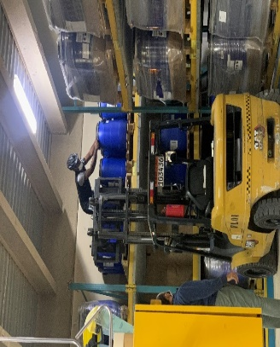 |  | Gloves and Saftey Haness not used while unloading chemicals | Store Associate had ignored the safety instruction for handling of chemicals | Store associates had forget to use PPE,s and Safetey Harness |  |  |  | Chemical Handling SOP was not followed | All PPE will be used during Handling of Chemicals | Chemical Mangement Traing will be provided to Store Assiciates

 |  |  |  |  |  |  |  | Review Date | Reviewed by: | Closure Date

